Invoice
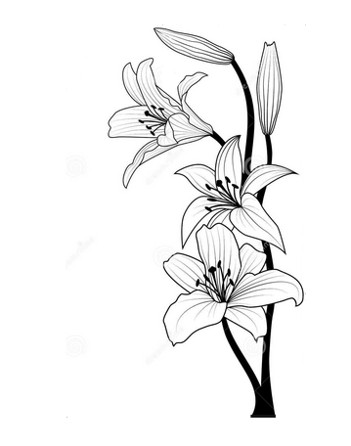 | Lizpa Landscaping, Inc.

 | Bill To: | Shelley Peck | Phone: |  | Invoice #: | 1774
 | Address: |  | Fax:
 | Service Address: | 643 Huntington Winter Park, FL | Email: | s.peck@me.com | Invoice Date: | 2025-11-12

 | Qty | Description |  |  |  | Price

 |  | `

 |  | Installation of plants |  |  |  | $1,600.00
 |  | Trinettes and Ixora plants
 |  | Jasmine plants and Mulch
 |  | Cost of plants and labor included in price

 |  | Zelle to 734.644.0032
 | Make all checks payable to Lizpa Landscaping, Inc. 141 Sunset Dr. Longwood, FL 32750
 | Thank you for your business!! |  |  |  | TOTAL | $550.00

